Sheet1
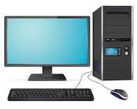
 | 2008 | 2009 | 2010 | 2011 | 2012 | 2013 | 2014
Marine Sprit(%) | 31% | 45% | 38% | 27% | 27% | 33% | 24%
Striking Calf(%) | 37% | 26% | 30% | 38% | 16% | 33% | 37%
Tank Picture(%) | 8% | 14% | 10% | 7% | 19% | 8% | 23%
Bucket Slope(%) | 6% | 6% | 5% | 6% | 7% | 7% | 5%
Reborn Kid(%) | 17% | 10% | 17% | 23% | 31% | 18% | 11%

 | January Test
 | Surname | Name | English | German | Computer
 | Xuerb | Norbert | 85 | 42 | 98
 | Spiteri | Richard | 53 | 45 | 75
 | Briffa | Paola | 42 | 25 | 48
 | Brog | Cilve | 55 | 85 | 82
 | Caruana | Muchelle | 45 | 45 | 25

